Ref
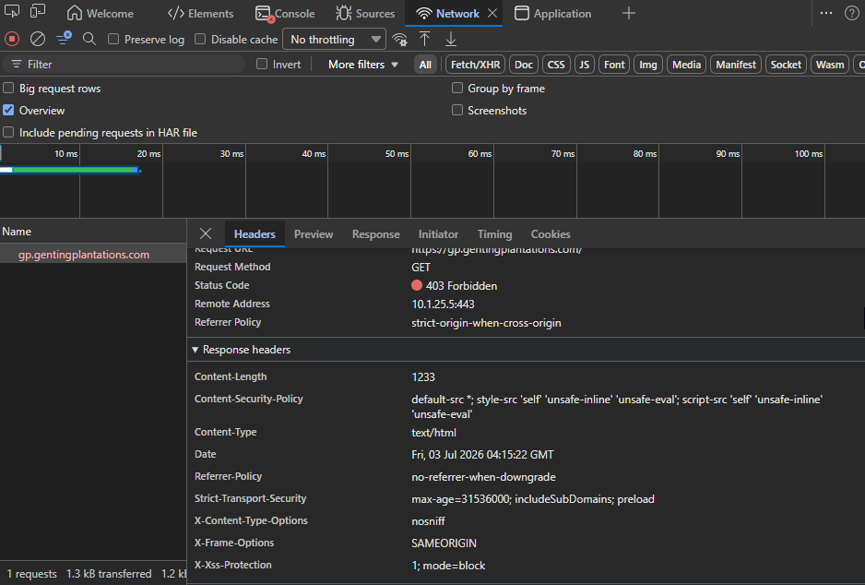
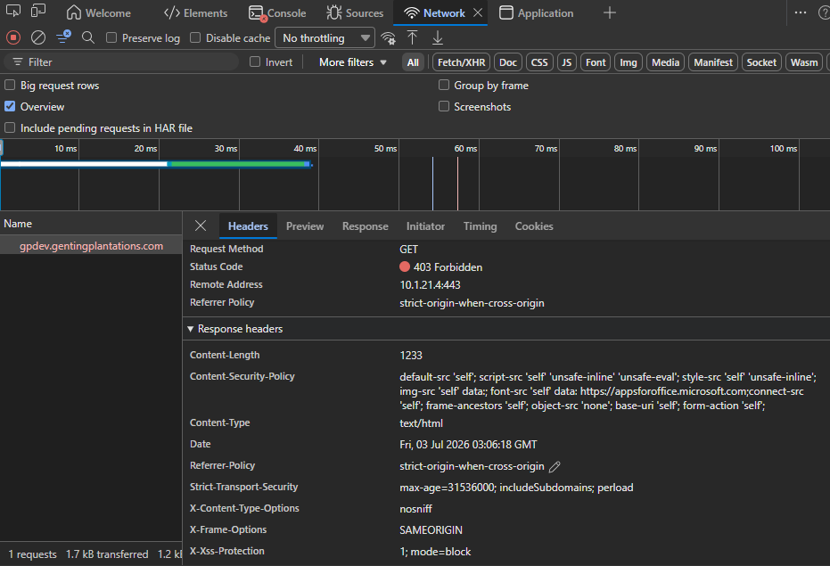
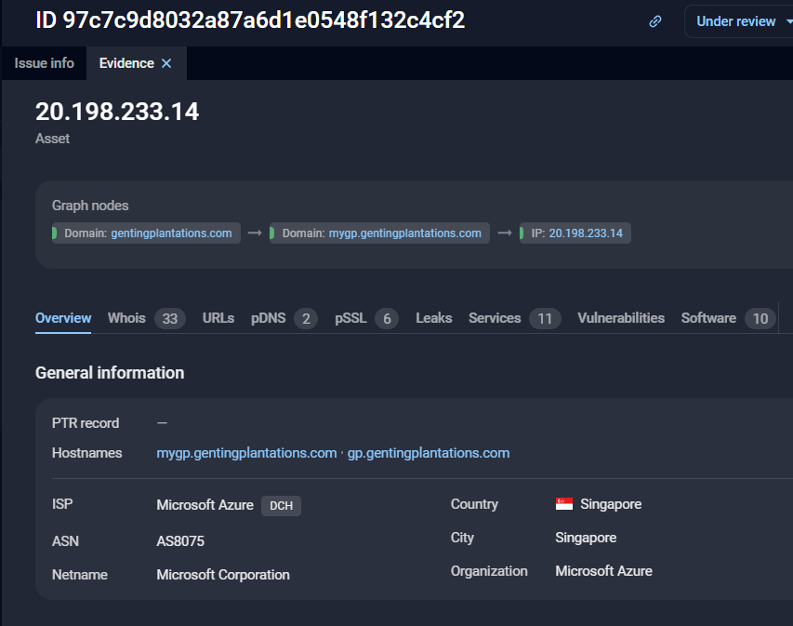
gptest.gentingplantations.com | mygpdev.gentingplantations.com
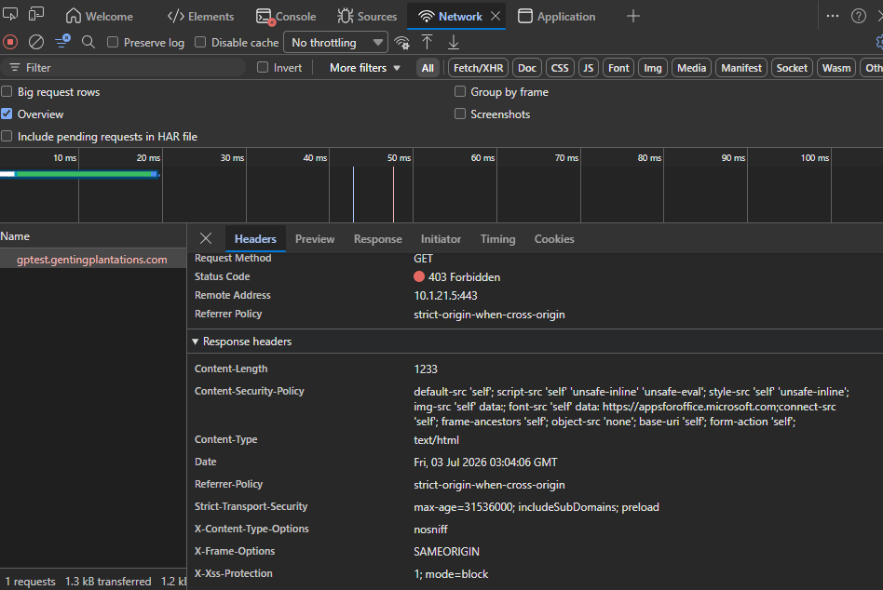
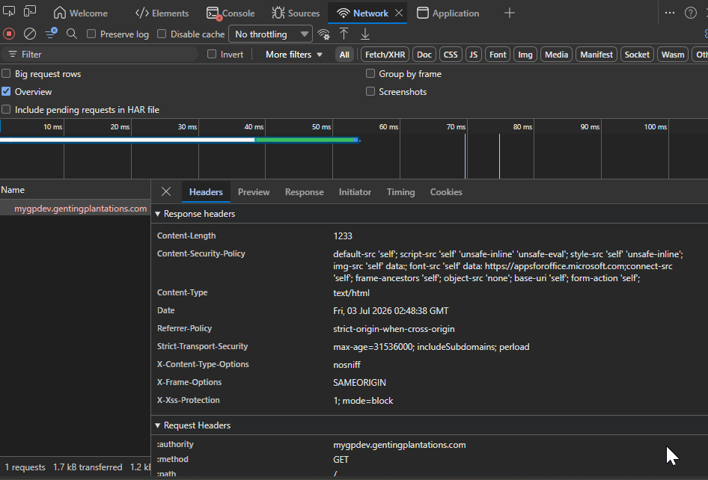

mygp.gentingplantations.com | mygptest.gentingplantations.com
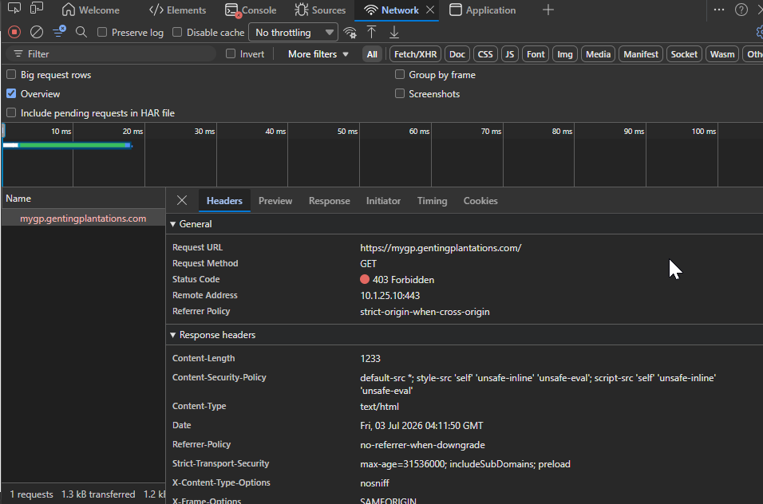
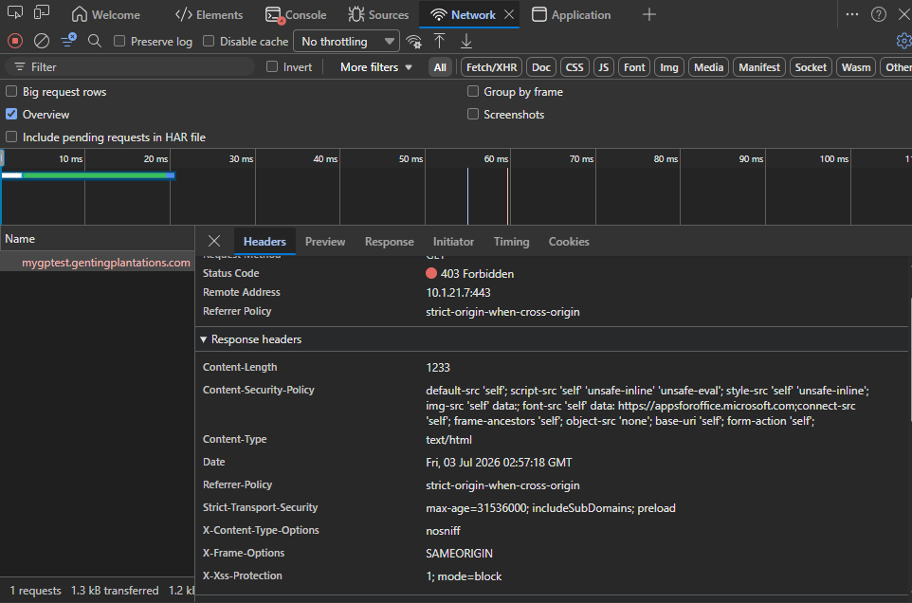

gp.gentingplantations.com | gpdev.gentingplantations.com

Master
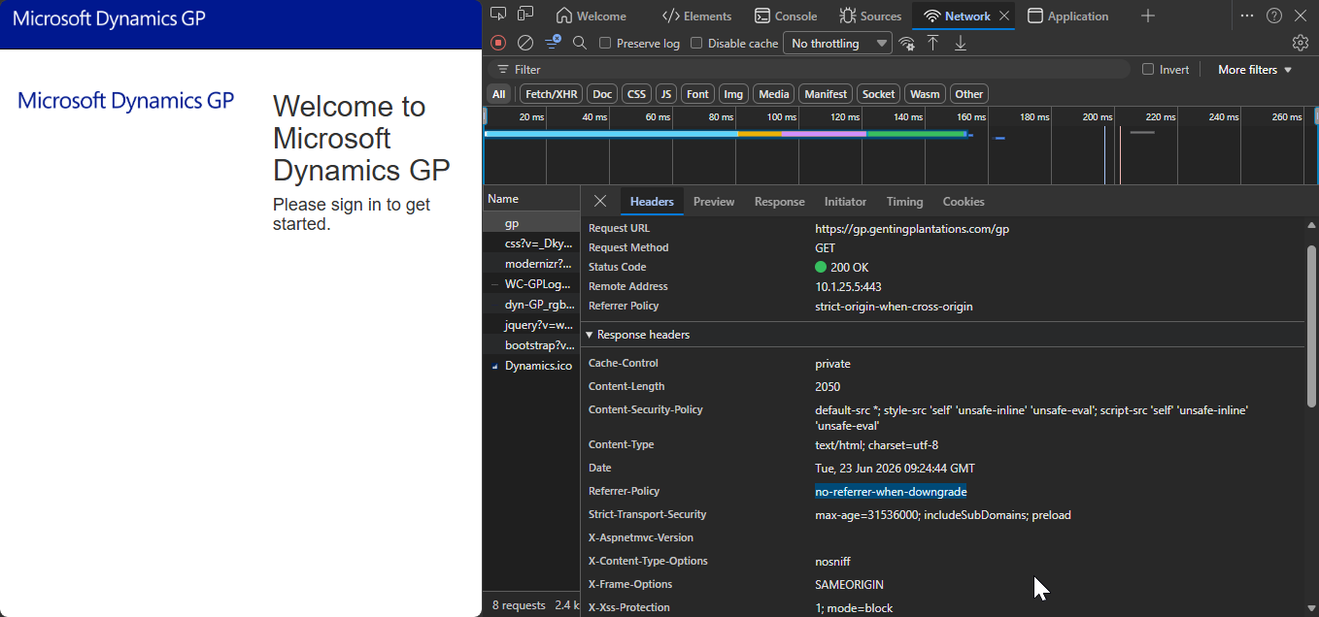
Status
Completed
Not completed
Pending

E.g You can use cmd or browser 'inspect' option> Network to check the network header information
curl -I http://mygptest.gentingplantations.com:48651
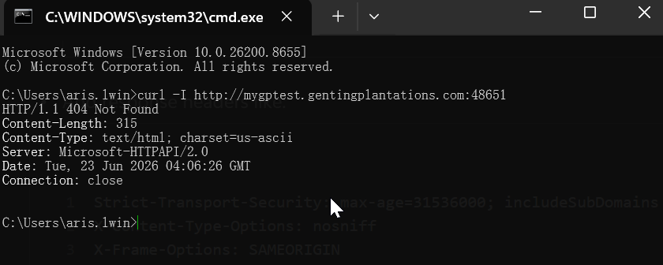

Insecure Referrer-Policy

